Quotation
SUNON TECHNOLOGY CO.,LTD.
Building 6, Sunon Technological Innovation Park, 1666 Zhixing Road, Xiaoshan District, Hangzhou City, Zhejiang Province, China
PROFORMA INVOICE
Project: KIWO |  |  |  |  |  |  |  |  |  | REF:
To: KIVA |  |  |  |  |  |  |  |  |  | DATE:
 |  |  |  |  |  |  |  |  |  | PAGE:
No. | Item Name | Photo | Description | Dimension | Color | Q'ty | Vol. | Tot.Vol. | List Price | Unit Price | Tot.Price | Remark
- SALA ESTAR |  |  |  |  |  |  |  |  | - SALA ESTAR Tot.Price : | $2,463.50
1 | Sala de estar TETRIS 3.30X2.70 | 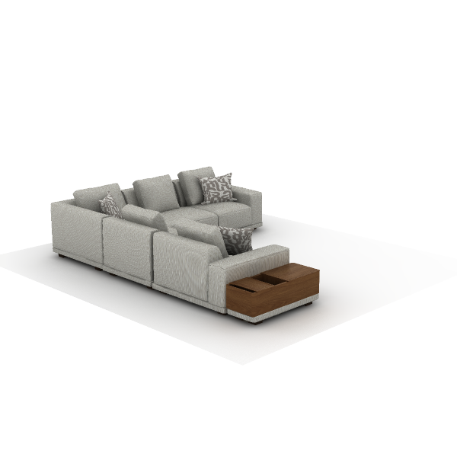 | Material Description: 1)Finishing: linen fabric, dry rubbing color fastness grade 3-4, wet rubbing color fastness ≥ grade 3, abrasion resistance ≥ 12,000 times 2)Foam: high resilience foam, seat density ≥31kg/m3, other parts ≥20kg/m3 3)Sofa Legs: polypropylene (PP), injection molded Function Description: 4)Cushion: sofa equipped with cushions | 3300*2700*810 |  | 1 | 3.75 m³ | 3.75 m³ | $2,815.00 | $1,407.50 | $1,407.50
2 | SF51.1.MR F80 Lounge Sofas | 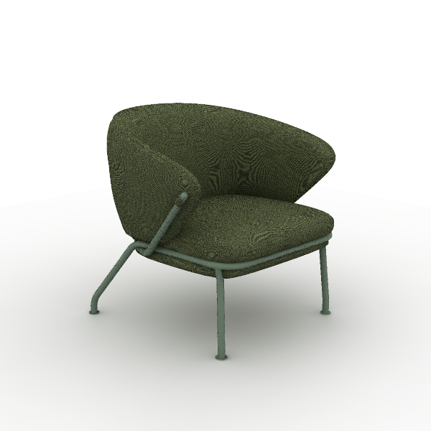 | Material Description: 1)Finishing: linen fabric, dry rubbing color fastness grade 3-4, wet rubbing color fastness ≥ grade 3, abrasion resistance ≥ 12,000 times 2)Foam: high resilience foam, seat density ≥31kg/m3, other parts ≥20kg/m3 3)Sofa Legs: steel Sofa Legs, electrostatic powder coating, 1.8mm hollow round tube | 780*740*740 mm | Fabric Color: SM-LA54 Tender Green Steel Color: Morandi Green | 2 | 0.47 m³ | 0.95 m³ | $406.00 | $203.00 | $406.00
3 | T197 Moji Round Wood Occasional Table | 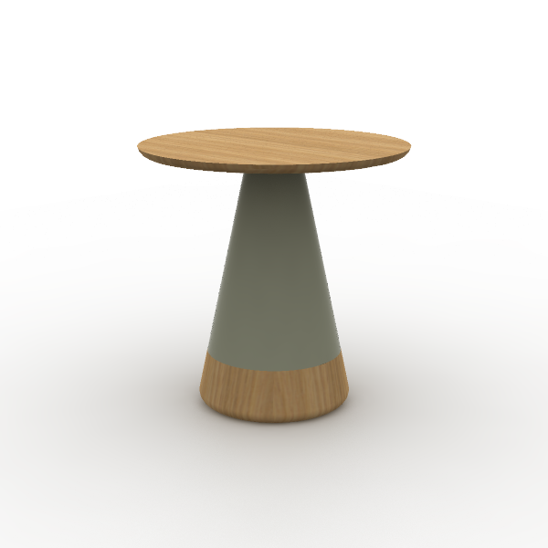 | Material Description: 1)Oval coffee table with round single leg 2)Table legs:PU foam exterior with eco-friendly paint finish 3)Tabletop: 19mm, the majority of the board is made of E0 grade MDF 4)Veneer:natural wood veneer ≥0.4mm on wood grain parts 5)Paint: uses water-based environmentally friendly paint | 500*500*500 mm | Surface Color: W-23B White Oak Surface Color: E-09 Mocha | 3 | 0.09 m³ | 0.27 m³ | $314.00 | $157.00 | $471.00
4 | T196 Moji Round Wood Occasional Table | 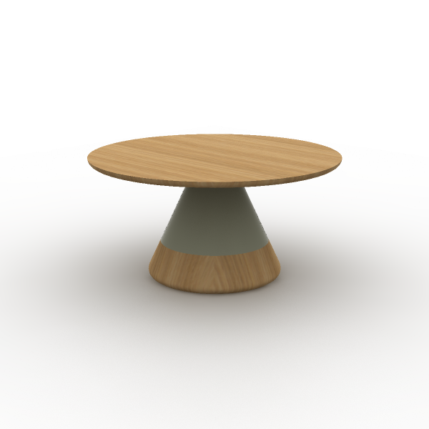 | Material Description: 1)Oval coffee table with round single leg 2)Table legs:PU foam exterior with eco-friendly paint finish 3)Tabletop: 19mm, the majority of the board is made of E0 grade MDF 4)Veneer:natural wood veneer ≥0.4mm on wood grain parts 5)Paint: uses water-based environmentally friendly paint | 700*700*350 mm | Surface Color: W-23B White Oak Surface Color: E-09 Mocha | 1 | 0.09 m³ | 0.09 m³ | $358.00 | $179.00 | $179.00
- SALA E JUNTAS OPEN 10 PAX |  |  |  |  |  |  |  |  | - SALA E JUNTAS OPEN 10 PAX Tot.Price : | $1,442.50
5 | CAZ83SW Aveza Task Chair | 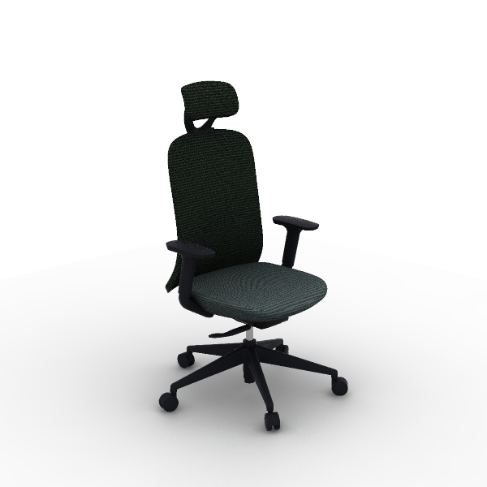 | Material Description: 1)Finishing: high-quality linen fabric, dry rubbing fastness ≥ 4, abrasion resistance ≥ 12000 cycles 2)Chair Back: nylon + 30% fiberglass integrated back frame 3)Seat Cushion: molded foam, density ≥ 55kg/m3, PP seat shell, weight capacity 136kg 4)Armrests: PP material 2D armrests 5)Chair Bases: Zhongtai mechanism 6)Gas Cylinder: SAMHONGSA class 3 gas cylinder, 85±3mm 7)5-Star Bases: 690mm diameter, nylon 8)Chair Casters: PA casters Function Description: 9)Headrest Adjustment: vertical adjustment 25mm 10)Chair Back Adjustment: swivels horizontally by 10° 11)2D Armrest: armrest adjustable vertically by 45mm, rotable left and right by 15° 12)Chair Base Adjustment: STG backrest synchronous tilt, four-position lock, automatic counterweight mechanism does not require adjustment of tilt force | 680*590*1,140 mm | Back/Headrest: CW-AN10H Black Seat: CW-AN21H Gray | 10 | 0.21 m³ | 2.09 m³ | $255.00 | $127.50 | $1,275.00
6 | DM24 Modit Whiteboard | 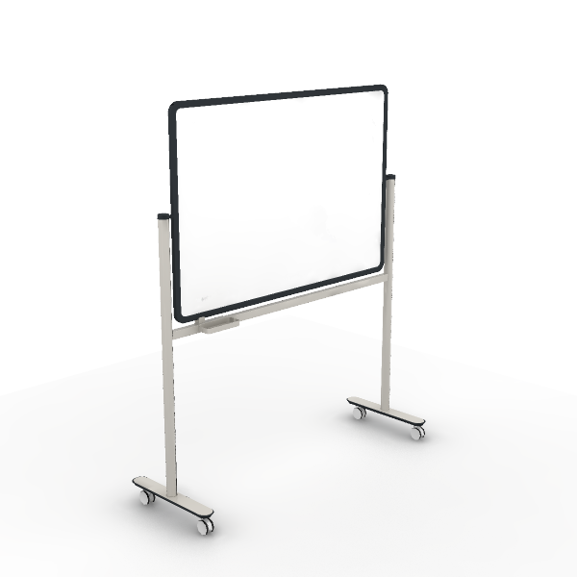 | 1. Description: Use a magnetic whiteboard with a thickness of 0.4mm; 2. Feet: T-shaped feet; 3. Surface treatment: The surface of the steel frame adopts electrostatic powder spraying process, and the paint film thickness is 60μm-130μm; 4. Mobile function: Tripod configuration Universal wheels can move freely, and all 4 wheels have locking functions; 5. Flip function: the whiteboard has a flip angle of 0°~180°; 6. Others: standard pen box, with whiteboard locking function; | 1,633*556*1,930 mm |  | 1 |  | 0.00 m³ | $335.00 | $167.50 | $167.50
- SALA DE JUNTAS 6 PAX |  |  |  |  |  |  |  |  | - SALA DE JUNTAS 6 PAX Tot.Price : | $4,722.00
7 | DG65-2 Storage Cabinets | 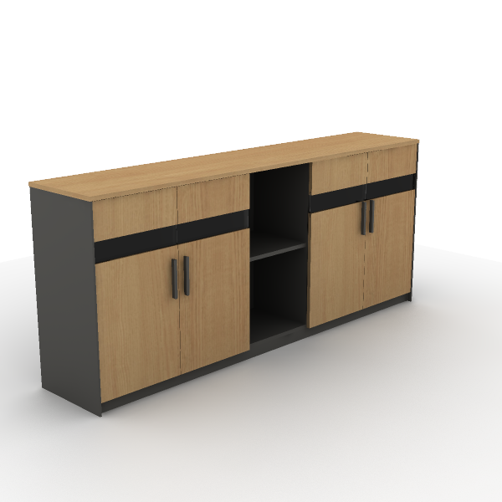 | Material Description: 1)Four-door file cabinet with glass doors and open cabinet 2)Cabinet: the main body surface covered with impregnated melamine paper. E0 grade particleboard 3)Door Panel: glass panel door with embedded glass, made of E0 grade particle board, 5mm tempered glass 4)Edge Banding: the cabinet uses PVC edge banding strips, thickness 1mm 5)Hinges: damping buffer hinge 6)Handles: ABS | 2,000*400*858 mm | Main Color: S-56 Castin Oak Secondary color: S-59 Meteor Grey | 3 | 0.25 m³ | 0.74 m³ | $272.00 | $136.00 | $408.00
8 | EN70-2 Varna Occasional Table | 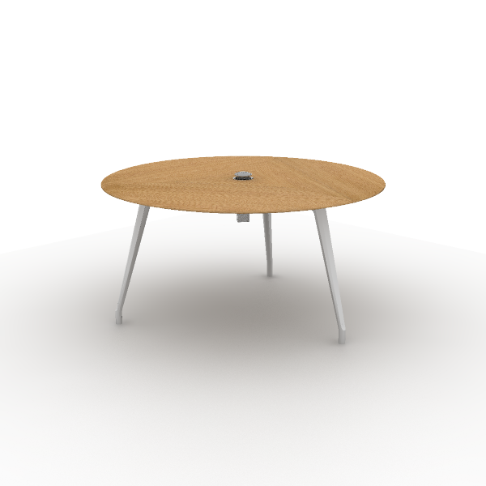 | Material Description: 1)Square negotiation table with round aluminum base 2)Tabletop: 26mm, the majority of the board is made of E0 grade MDF 3)Veneer:natural wood veneer ≥0.4mm on wood grain parts 4)Table Legs: 45° angled aluminum alloy beveled legs, polished surface Function Description: 5)Cable management: tabletop wiring hole for cables | 1,500*1,500*750 mm | Main Color: W-33B White Oak Steel Leg Color: Polishing Cable Box Matched: Global | 3 | 0.21 m³ | 0.63 m³ | $1,346.00 | $673.00 | $2,019.00
9 | CAZ83SW Aveza Task Chair |  | Material Description: 1)Finishing: high-quality linen fabric, dry rubbing fastness ≥ 4, abrasion resistance ≥ 12000 cycles 2)Chair Back: nylon + 30% fiberglass integrated back frame 3)Seat Cushion: molded foam, density ≥ 55kg/m3, PP seat shell, weight capacity 136kg 4)Armrests: PP material 2D armrests 5)Chair Bases: Zhongtai mechanism 6)Gas Cylinder: SAMHONGSA class 3 gas cylinder, 85±3mm 7)5-Star Bases: 690mm diameter, nylon 8)Chair Casters: PA casters Function Description: 9)Headrest Adjustment: vertical adjustment 25mm 10)Chair Back Adjustment: swivels horizontally by 10° 11)2D Armrest: armrest adjustable vertically by 45mm, rotable left and right by 15° 12)Chair Base Adjustment: STG backrest synchronous tilt, four-position lock, automatic counterweight mechanism does not require adjustment of tilt force | 680*590*1,140 mm | Back/Headrest: CW-AN10H Black Seat: CW-AN21H Gray | 18 | 0.21 m³ | 3.76 m³ | $255.00 | $127.50 | $2,295.00
- SALA DE JUNTAS 10 PAX |  |  |  |  |  |  |  |  | - SALA DE JUNTAS 10 PAX Tot.Price : | $2,417.50
10 | SAJA JUNTAS 3.60X1.40 LIDO | 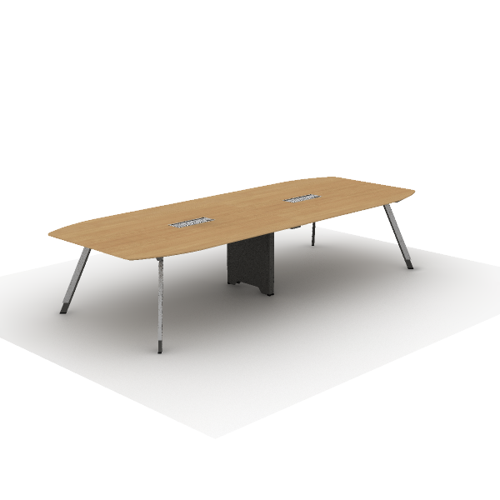 | Material Description: 1)Irregular-shaped conference table 2)Tabletop: 25mm, surface uses impregnated melamine paper for excellent stability, superior layering, strong resistance to dirt and wear; E0 grade particle board 3)Edge banding: the tabletop uses PVC edge banding strips, thickness 2.5mm 4)Table Legs: angled steel legs, high-quality cold-rolled steel, 1.5~2.0mm, surface electrostatic powder coating. 5)Aluminum Strip: Made of AL6063-T5 aluminum alloy, cross-sectional thickness 1mm~1.5mm, with surface anodized treatment 6)Beam: high-quality cold-rolled steel, with an electrostatic powder coating on the surface, 1.5mm thickness 7)Cable Box: dual-flip cover, made of aluminum alloy |  |  | 2 | 0.96 m³ | 1.92 m³ | $839.00 | $419.50 | $839.00
11 | DG65-2 Storage Cabinets |  | Material Description: 1)Four-door file cabinet with glass doors and open cabinet 2)Cabinet: the main body surface covered with impregnated melamine paper. E0 grade particleboard 3)Door Panel: glass panel door with embedded glass, made of E0 grade particle board, 5mm tempered glass 4)Edge Banding: the cabinet uses PVC edge banding strips, thickness 1mm 5)Hinges: damping buffer hinge 6)Handles: ABS | 2,000*400*858 mm | Main Color: S-56 Castin Oak Secondary color: S-59 Meteor Grey | 1 | 0.25 m³ | 0.25 m³ | $272.00 | $136.00 | $136.00
12 | CAZ83SW Aveza Task Chair |  | Material Description: 1)Finishing: high-quality linen fabric, dry rubbing fastness ≥ 4, abrasion resistance ≥ 12000 cycles 2)Chair Back: nylon + 30% fiberglass integrated back frame 3)Seat Cushion: molded foam, density ≥ 55kg/m3, PP seat shell, weight capacity 136kg 4)Armrests: PP material 2D armrests 5)Chair Bases: Zhongtai mechanism 6)Gas Cylinder: SAMHONGSA class 3 gas cylinder, 85±3mm 7)5-Star Bases: 690mm diameter, nylon 8)Chair Casters: PA casters Function Description: 9)Headrest Adjustment: vertical adjustment 25mm 10)Chair Back Adjustment: swivels horizontally by 10° 11)2D Armrest: armrest adjustable vertically by 45mm, rotable left and right by 15° 12)Chair Base Adjustment: STG backrest synchronous tilt, four-position lock, automatic counterweight mechanism does not require adjustment of tilt force | 680*590*1,140 mm | Back/Headrest: CW-AN10H Black Seat: CW-AN21H Gray | 10 | 0.21 m³ | 2.09 m³ | $255.00 | $127.50 | $1,275.00
13 | DM24 Modit Whiteboard |  | 1. Description: Use a magnetic whiteboard with a thickness of 0.4mm; 2. Feet: T-shaped feet; 3. Surface treatment: The surface of the steel frame adopts electrostatic powder spraying process, and the paint film thickness is 60μm-130μm; 4. Mobile function: Tripod configuration Universal wheels can move freely, and all 4 wheels have locking functions; 5. Flip function: the whiteboard has a flip angle of 0°~180°; 6. Others: standard pen box, with whiteboard locking function; | 1,633*556*1,930 mm |  | 1 |  | 0.00 m³ | $335.00 | $167.50 | $167.50
- RECEPCION |  |  |  |  |  |  |  |  | - RECEPCION Tot.Price : | $3,060.50
14 | TJ58 I-Key Veneer Reception Desk | 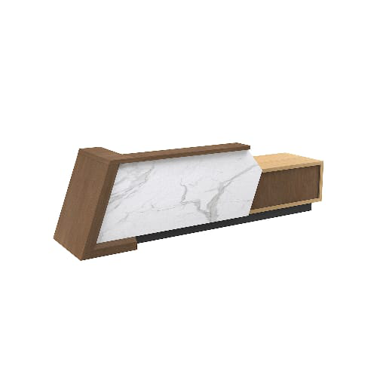 | Material Description: 1)The reception desk with high and low countertops 2)Tabletop: 50mm, the majority of the board is made of E0 grade MDF 3)Tabletop Edge Banding: natural wood veneer edge banding strips, thickness 1mm 4)Veneer:natural wood veneer ≥0.4mm on wood grain parts 5)Artificial marble: 8mm thickness 6)Cabinet: E0 grade MDF, natural wood veneer edge banding 7)Hinges: concealed hinge 8)Paint: uses water-based environmentally friendly paint | 3,780*950*1,110 mm |  | 1 | 2.24 m³ | 2.24 m³ | $5,866.00 | $2,933.00 | $2,933.00
15 | CAZ83SW Aveza Task Chair |  | Material Description: 1)Finishing: high-quality linen fabric, dry rubbing fastness ≥ 4, abrasion resistance ≥ 12000 cycles 2)Chair Back: nylon + 30% fiberglass integrated back frame 3)Seat Cushion: molded foam, density ≥ 55kg/m3, PP seat shell, weight capacity 136kg 4)Armrests: PP material 2D armrests 5)Chair Bases: Zhongtai mechanism 6)Gas Cylinder: SAMHONGSA class 3 gas cylinder, 85±3mm 7)5-Star Bases: 690mm diameter, nylon 8)Chair Casters: PA casters Function Description: 9)Headrest Adjustment: vertical adjustment 25mm 10)Chair Back Adjustment: swivels horizontally by 10° 11)2D Armrest: armrest adjustable vertically by 45mm, rotable left and right by 15° 12)Chair Base Adjustment: STG backrest synchronous tilt, four-position lock, automatic counterweight mechanism does not require adjustment of tilt force | 680*590*1,140 mm | Back/Headrest: CW-AN10H Black Seat: CW-AN21H Gray | 1 | 0.21 m³ | 0.21 m³ | $255.00 | $127.50 | $127.50
- SALA ESPERA RECEPCION |  |  |  |  |  |  |  |  | - SALA ESPERA RECEPCION Tot.Price : | $563.00
16 | SF51.1.MR F80 Lounge Sofas |  | Material Description: 1)Finishing: linen fabric, dry rubbing color fastness grade 3-4, wet rubbing color fastness ≥ grade 3, abrasion resistance ≥ 12,000 times 2)Foam: high resilience foam, seat density ≥31kg/m3, other parts ≥20kg/m3 3)Sofa Legs: steel Sofa Legs, electrostatic powder coating, 1.8mm hollow round tube | 780*740*740 mm | Fabric Color: SM-LA54 Tender Green Steel Color: Morandi Green | 2 | 0.47 m³ | 0.95 m³ | $406.00 | $203.00 | $406.00
17 | T197 Moji Round Wood Occasional Table |  | Material Description: 1)Oval coffee table with round single leg 2)Table legs:PU foam exterior with eco-friendly paint finish 3)Tabletop: 19mm, the majority of the board is made of E0 grade MDF 4)Veneer:natural wood veneer ≥0.4mm on wood grain parts 5)Paint: uses water-based environmentally friendly paint | 500*500*500 mm | Surface Color: W-23B White Oak Surface Color: E-09 Mocha | 1 | 0.09 m³ | 0.09 m³ | $314.00 | $157.00 | $157.00
- PRIVADOS |  |  |  |  |  |  |  |  | - PRIVADOS Tot.Price : | $476.00
18 | ESCRITORIO LIDO 1.20X.60 | 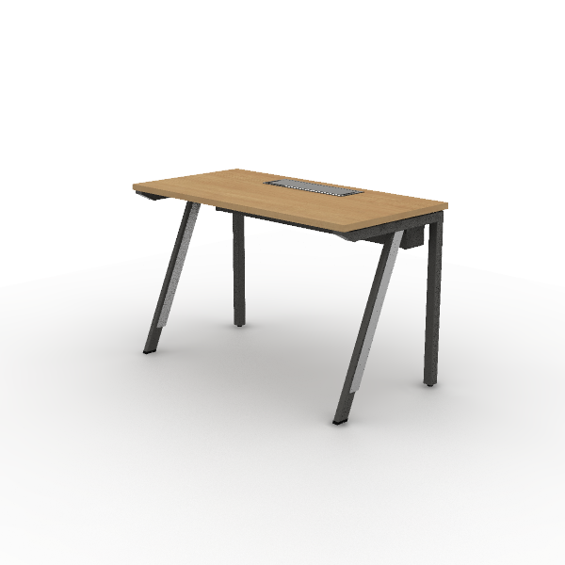 | Material Description: 1)Straight employee desk, steel legs on both sides 2)Tabletop: 25mm, surface uses impregnated melamine paper for excellent stability, superior layering, strong resistance to dirt and wear; E0 grade particle board 3)Edge banding: the tabletop uses PVC edge banding strips, thickness 2.5mm 4)Beam: high-quality cold-rolled steel, with an electrostatic powder coating on the surface, 1.5mm thickness | 1200*600*750 |  | 2 | 0.16 m³ | 0.32 m³ | $221.00 | $110.50 | $221.00
19 | CAZ83SW Aveza Task Chair |  | Material Description: 1)Finishing: high-quality linen fabric, dry rubbing fastness ≥ 4, abrasion resistance ≥ 12000 cycles 2)Chair Back: nylon + 30% fiberglass integrated back frame 3)Seat Cushion: molded foam, density ≥ 55kg/m3, PP seat shell, weight capacity 136kg 4)Armrests: PP material 2D armrests 5)Chair Bases: Zhongtai mechanism 6)Gas Cylinder: SAMHONGSA class 3 gas cylinder, 85±3mm 7)5-Star Bases: 690mm diameter, nylon 8)Chair Casters: PA casters Function Description: 9)Headrest Adjustment: vertical adjustment 25mm 10)Chair Back Adjustment: swivels horizontally by 10° 11)2D Armrest: armrest adjustable vertically by 45mm, rotable left and right by 15° 12)Chair Base Adjustment: STG backrest synchronous tilt, four-position lock, automatic counterweight mechanism does not require adjustment of tilt force | 680*590*1,140 mm | Back/Headrest: CW-AN10H Black Seat: CW-AN21H Gray | 2 | 0.21 m³ | 0.42 m³ | $255.00 | $127.50 | $255.00
- AREA SOCIAL KIWO |  |  |  |  |  |  |  |  | - AREA SOCIAL KIWO Tot.Price : | $3,993.00
20 | BARRA 3.20*1.00*1.10 | 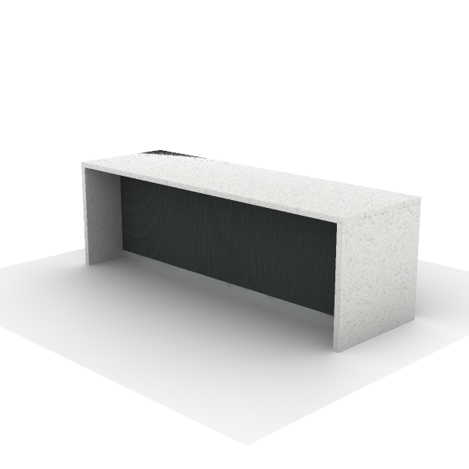 | Material Description: 1)I-beam Bar Counter Stone 2)Tabletop:55mm thickness by 12mm artificial stone and 55mm artificial stone edgebinding 3)Legs:The majority of the board is made of E0 grade plywood,outer surface covered with artificial stone about 12mm | 3200*1000*1100 |  | 1 | 0.00 m³ | 0.00 m³ | $5,167.00 | $2,583.50 | $2,583.50
21 | CDK19GS Negotiation Chair | 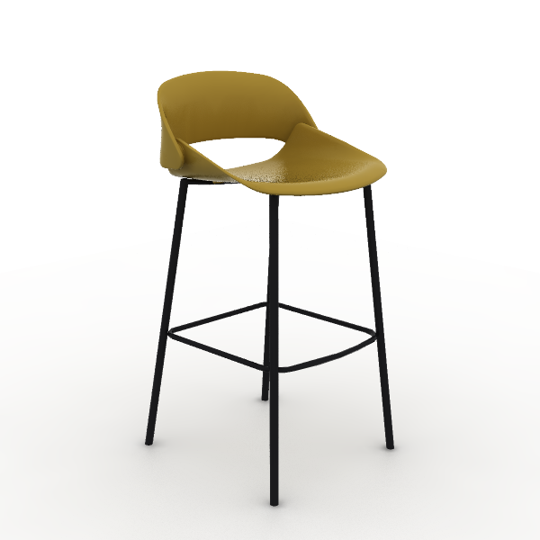 | Material Desctription: 1)Chair Back:PP+25% fiberglass integrated back frame 2)Seat: PP + 25% fiberglass integrated back frame 3)Chair Frame: steel frame, 19mm round tube, 1.8mm thickness, electrostatic powder coating surface | 460*480*935 mm | Color of Backrest: Ginger Color of Seat Cushion: Ginger Color of Chair Frame: Black | 4 | 0.17 m³ | 0.68 m³ | $78.00 | $39.00 | $156.00
22 | SD32.1.MR.M Ducky Stool | 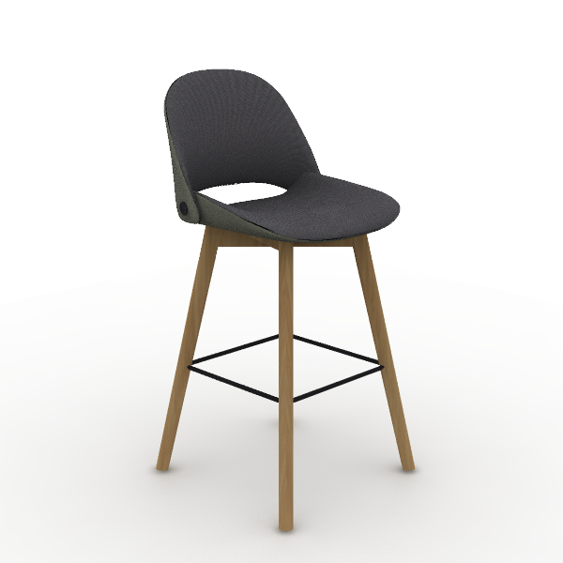 | Material Description: 1)Finishing: linen fabric, dry rubbing color fastness grade 3-4, wet rubbing color fastness ≥ grade 3, abrasion resistance ≥ 12,000 times 2)Foam: molded, density ≥50kg/m3 3)Sofa Legs: natural beech wood Sofa Legs, eco-friendly paint finish | 520*560*1,080 mm | Sofa inner back + seat surface fabric: TM-CI27B Dark Sky Grey Sofa outer back + seat bottom fabric: TM-CI62B Army Green | 4 | 0.22 m³ | 0.89 m³ | $311.00 | $155.50 | $622.00
23 | EW70 Jason Occasional Table | 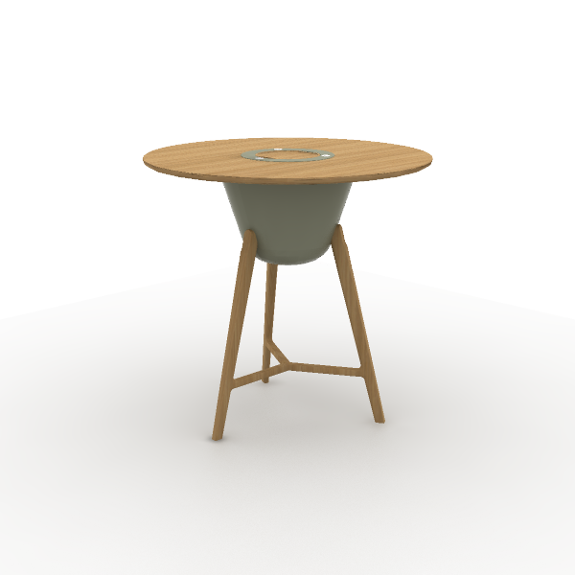 | Material Description: 1)Wooden base round negotiation table 2)Tabletop: 26mm, the majority of the board is made of E0 grade MDF 3)Veneer:natural wood veneer ≥0.4mm on wood grain parts 4)Table legs: Natural premium white oak, eco-friendly finishing 5)Paint: uses water-based environmentally friendly paint | 1,100*1,100*1,050 mm | Main Color: W-23B White Oak Match color : E-09 Mocha | 1 | 0.33 m³ | 0.33 m³ | $1,263.00 | $631.50 | $631.50
- AREA SOCIAL KIWO COCINETA |  |  |  |  |  |  |  |  | - AREA SOCIAL KIWO COCINETA Tot.Price : | $1,409.20
24 | cocinetas sunon | 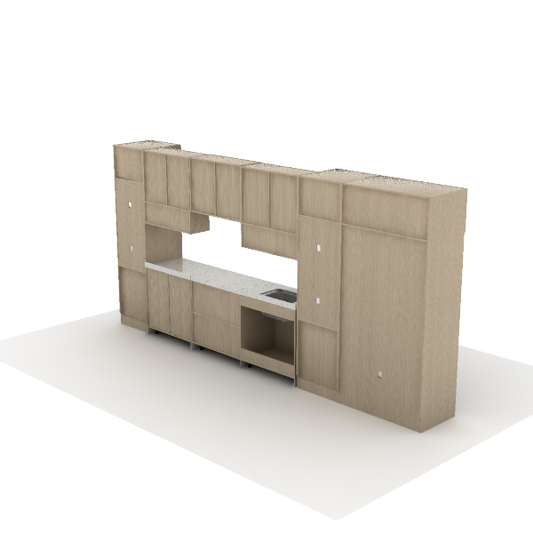 | Material Description: 1)Double Door Refrigerator Cabinet 2)Cabinet: surface material is impregnated film paper; substrate is E0 grade multilayer board 3)Edge Banding: the cabinet uses PVC edge banding strips, thickness 1mm 4)Hinges: damping buffer hinge |  |  | 1 | 0.00 m³ | 0.00 m³ | $2,818.40 | $1,409.20 | $1,409.20
 |  |  |  |  |  |  |  | 22.66 m³ |  | Tot.Price | $20,547.20

NOTE:
1) The alternative products in varying price ranges can be provided due to further requriement
2) Price would be adjusted as changed of specification/finishes
3) Formal purchase order, or signed & stamped proforma invoice are require to be provided before order proceeding
4) Upon order confirmation/delivery, changes, cancellation or return is unacceptable
5) The consignee of this purchase order is allowed to be nominated by the buyer
TERMS & CONDITIONS:
1) Trade Term: FOB Shanghai or Ningbo
2) Payment: BY T/T,30% AS DEPOSIT AND THE BALANCE SHOULD BE PAID BEFORE SHIPMENT
3) Delivery time: 30-35 working days after receiving deposit and order confirmation by sign and stamp
4) Storage & Delivery: Sunon will arrange for free storage in their warehouse for max 10days after completion of production & ready for shipment. If client fails to arrange
the pick-up & delivery within this stipulated time frame, then Sunon shall charge an additional warehouse storage fee at the rate of 0.4% per day on all the finished orders
5) If the exchange rate or the price of raw materials fluctuated over 5% since the last quotation offering date, Sunon has the right to adjust the prices accordingly
6) Validity: Before Sep 30th 2025
7) SHIPMENT: 10% MORE OR LESS IN QUANTITY AND AMOUNT ARE ALLOWED
BANK INFORMATION:
1) BANK NAME: BANK OF CHINA ZHEJIANG BRANCH
2) BENEFICIARY: SUNON TECHNOLOGY CO.,LTD.
3) BENEFICIARY'S ADDRESS: NO.35 NINGDONG ROAD XIAOSHAN ECONOMY AND TECHNOLOGY DEVELOPMENT ZONE, HANGZHOU, ZHEJIANG, CHINA
4) SWIFT CODE: BKCHCNBJ910
5) USD ACCOUNT NUMBER: 354563110800
6) BANK ADDRESS: 321#, FENGQI ROAD, HANGZHOU, ZHEJIANG, CHINA
7) POST CODE: 311200
 |  | For Buyer |  |  |  |  |  |  |  | For Seller
 |  | Authorized Signature or Seal |  |  |  |  |  |  |  | Authorized Signature or Seal

